Wire frame
from 1st June 2022 to date

Table view
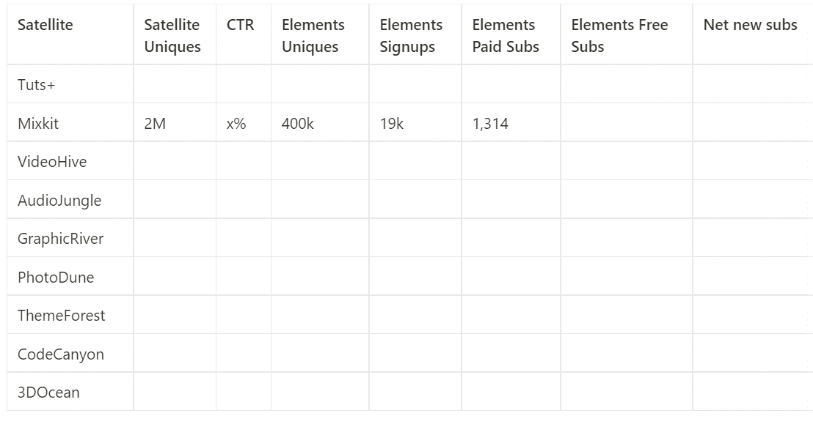

high level not need signups
paying sub for now

